home page
BOOKMYSHOW
VERSION NO |  |  | VERIFIED BY
TESTED BY |  |  | DATE
HomePage
Test id | Test description | Test procedure | Test data | Expected Result | Actual Result | status
BMS_HP_01 | Check whether HOME page is open while clicking sitelink | Enter asian paint url | www.bookmyshow.com | should open site by clicking url | Home page is open by clicking url | PASS
BMS_HP_02 | Check whether LOGO is displayed on the top of webpage | 1. open bookmy show 2.look logo |  | should display logo on the top of webpage | Logo displayed on the topof the webpage | PASS
BMS_HP_03 | Check whether the search field is present and alligned | 1. open bookmy show 2.look search field |  | should present search field and alligned | Search field present and alligned | PASS
BMS_HP_04 | Check whether the search icon is present on the field. | 1. open bookmy show 2.look logo |  | should present search icon on the search field | search icon prent on the search field | PASS
BMS_HP_05 | Check whether the max and min range for the search keyword is infinite | 1. open bookmy show 2.Type search keyword |  | should have maximum and minimum keyword length | minimum range is 1 and maximum range is infinite | PASS
BMS_HP_06 | Check whether the search working by adding keyword and pressing the Enter key from the keyboard | 1. open bookmy show 2.Type search keyword 3 Enter |  | search should work by adding keyword and pressing the Enter key from the keyboard | search work by adding keyword and pressing the Enter key from the keyboard | PASS
BMS_HP_07 | Check whether the auto suggestion shown on adding a keyword or not. | 1. open bookmy show 2.Type search keyword |  | should give auto suggestion for searching keyword | Auto suggestion available for searching | PASS
BMS_HP_08 | Check whether the search field accept numerics. | 1. open bookmy show 2.Type numerics |  | should accept numerics in search field | numerics accepte search field | PASS
BMS_HP_09 | Check whether Search icon present while entering search keyword. | 1. open bookmy show 2.Type search keyword |  | search should work by adding keyword and on click on the search button. | serch icon not visible at the time of entering keyword | FAIL | 
BMS_HP_10 | Check whether the page redirecting is working by clicking keywords | 1. open bookmy show 2.click any keyword |  | should work page redirecting by clicking keywords | page redirecting is working by clicking keywords | PASS
BMS_HP_11 | Check whether the dropbox of location is working | 1. open bookmy show 2.click location dropbox |  | Should work dropbox of location | dropbox of location is working | PASS
BMS_HP_12 | Check whether the dropbox shown options for location | 1. open bookmy show 2.click location dropbox |  | should show options for location dropbox | shown options for location dropbox | PASS
BMS_HP_13 | Check whether the dropbox of location is selectable | 1. open bookmy show 2.click location dropbox 3. Try to select location |  | should selectable location dropbox | location dropbox is selectable | PASS
BMS_HP_14 | Check whether sign in button present | 1. open bookmy show 2.Look sign in button | sign in | should present sign in button | sign in button present | PASS
BMS_HP_15 | Check whether the sign in button clickable | 1. open bookmy show 2.Look sign in button 3. Click sign in button |  | should sign in button clickable | sign in button clickable | PASS
BMS_HP_16 | Check whether the auto suggestion shown for different way of sign in | 1. open bookmy show 2. Click sign in button |  | should show auto suggestion for different way of sign in | shown auto suggestion for different way of sign in | PASS
BMS_HP_17 | Check whether the dropbox of language is working | 1. open bookmy show 2. Click language dropbox |  | should work dropbox of language | dropbox of language is working | PASS
BMS_HP_18 | Check whether the dropbox of language is selectable | 1. open bookmy show 2. Click language dropbox 3 .Try to select language |  | dropbox of language should selectable | dropbox of language is selectable | PASS
BMS_HP_19 | Check whether the checkbox of language is selectable | 1. open bookmy show 2. Click language dropbox 3 .Try click checkbox to select language |  | checkbox of language should selectable | checkbox of language selectable | PASS
BMS_HP_20 | Check whether more than one checkbox of language is selectable | 1. open bookmy show 2. Click language dropbox |  | more than one checkbox of language should selectable | more than one checkbox of language selectable | PASS
BMS_HP_21 | Check whether language wise filtration is possible | 1. open bookmy show 2. Click language dropbox 3.Click language checkbox |  | language wise filtration should possible | language wise filtration possible | PASS
BMS_HP_22 | Check whether movie poster redirecting booking page | 1. open bookmy show 2. select 'movie' 3. select movie poster |  | movie poster should redirect booking page | movie poster redirecting booking page | PASS
BMS_HP_23 | Check whether details of movie ,duration,cast ,summery are given | 1. open bookmy show 2. select 'movie' 3. select movie poster 4.look movie details are given |  | should give details of movie ,duration,cast ,summery | details of movie ,duration,cast ,summery are given | PASS
BMS_HP_24 | Check whether all movies are now showing | 1. open bookmy show 2. select 'movie' 3.select now showing |  | should all movies are now showing | all movies are now showing | PASS
BMS_HP_25 | Check whether the trailer of movie is playable | 1. open bookmy show 2. select 'movie' 3. select movie poster 4.click trailer |  | Trailer of movie should playable | Trailer of movie is playable | PASS
BMS_HP_26 | Check whether the trailer of movie is play on youtube | 1. open bookmy show 2. select 'movie' 3. select movie poster 4.click trailer 5. look videoplayer |  | trailer should play on youtube | trailer play on youtube | PASS
BMS_HP_27 | Check whether the trailer shareable | 1. open bookmy show 2. select 'movie' 3. select movie poster 4.click trailer 5. click share |  | Trailer should shareable | Trailer not shareable | FAIL | 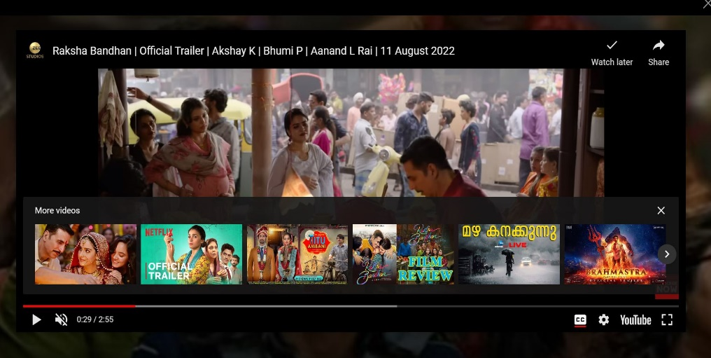
BMS_HP_28 | Check whether the trailer settings can be changeable | 1. open bookmy show 2. select 'movie' 4. select movie poster 5.click trailer 6. click settings |  | Trailer settings should be changeable | Trailer settings changeable | PASS
BMS_HP_29 | Check whether the trailer can watch fullscreen | 1. open bookmy show 2. select 'movie' 4. select movie poster 5.click trailer 6. click fullscreen button |  | Trailer should watch fullscreen | Trailer can watch fullscreen | PASS
BMS_HP_30 | Check whether the trailer audio mutable | 1. open bookmy show 2. select 'movie' 4. select movie poster 5.click trailer 6. click mute icon |  | Trailer audio should be mutable | Trailer audio mutable | PASS
BMS_HP_31 | Check whether the trailer can pause | 1. open bookmy show 2. select 'movie' 4. select movie poster 5.click trailer 6. click pause icon |  | Trailer should be pause | Trailer can pause | PASS
BMS_HP_32 | Check whether the trailer watch later is working | 1. open bookmy show 2. select 'movie' 4. select movie poster 5.click trailer 6. click watch later |  | should trailer 'watch later' is working | In trailer 'watch later' is working | PASS
BMS_HP_33 | Check whether movie book ticket button present and aligned | 1. open bookmy show 2. select 'movie' 3. select movie poster 4.look book tickets button | book ticket | should be present and alligned book ticket button | present and alligned book ticket button | PASS
BMS_HP_34 | Check whether movie ticket book button clickable | 1. open bookmy show 2. select 'movie' 3. select movie poster 4.click book tickets button |  | movie ticket book button should clickable | movie ticket book button clickable | PASS
BMS_HP_35 | Check whether movie ticket book button redirecting booking page | 1. open bookmy show 2. select 'movie' 3. select movie poster 4.click book tickets button |  | Ticket book button should redirect booking page | Ticket book button redirecting booking page | PASS
BMS_HP_36 | Check whether no of movie languge is 10 | 1. open bookmy show 2. select 'movie' 3.click language |  | should have no of movie languge is 10 | no of movie languge is 10 | PASS
BMS_HP_37 | Check whether all upcoming movie posters are displayed | 1. open bookmy show 2. select 'movie' 3.look upcoming movie |  | all upcoming movie posters should displayed | all upcoming movie posters not displayed | FAIL | 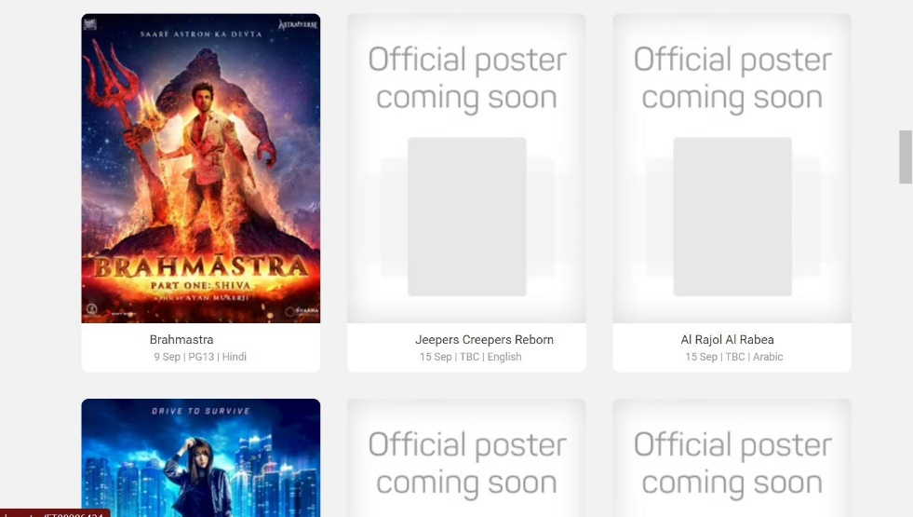
BMS_HP_38 | Check whether all upcoming movie trailer and details are given | 1. open bookmy show 2. select 'movie' 3.click upcoming movie 4.look trailer are present |  | all upcoming movie trailer and details should given | all upcoming movie trailer and details are not given | FAIL | 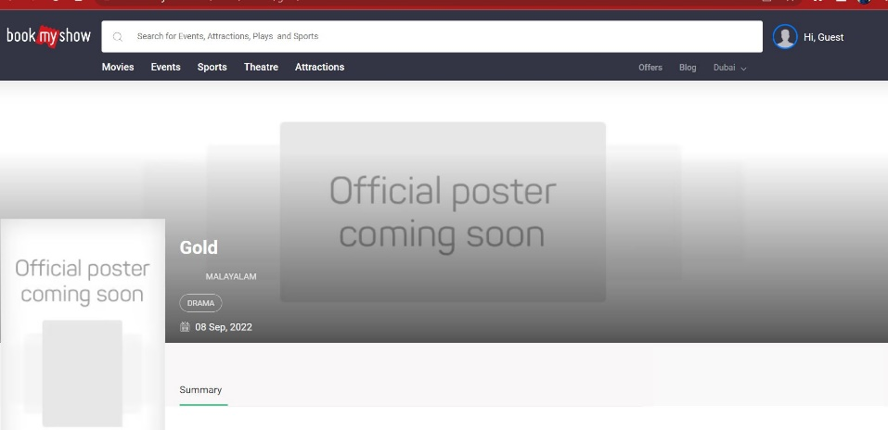
BMS_HP_39 | Check whether Search results displayed should be relevant to search keyword | 1. open bookmy show 2.enter keyword 3.look search result |  | Search results displayed should be relevant to search keyword | Search results displayed relevant to search keyword | PASS

booking page
Ticket booking Page
Test id | Test description | Test procedure | Test data | Expected Result | Actual Result | status
BMS_BP_01 | Check whether the dates as shown for ticket booking | 1.open bookmyshow 2.select movie 3.click book ticket 4. look dates |  | should show dates for ticket booking | dates as shown for ticket booking | PASS
BMS_BP_02 | Check whether full month date displayed | 1.open bookmyshow 2.select movie 3.click book ticket 4. look dates |  | should display full month date | full month date not displayed | FAIL | 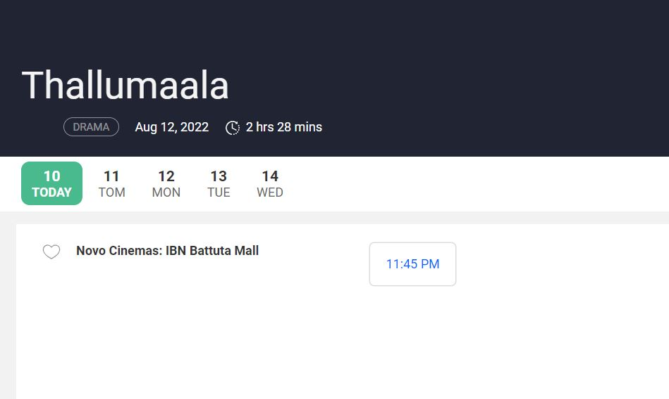
BMS_BP_03 | Check whether booking start from current day onwards | 1.open bookmyshow 2.select movie 3.click book ticket 4. look dates |  | should start booking from current day onwards | start booking from current day onwards | PASS
BMS_BP_04 | Check whether date clickable | 1.open bookmyshow 2.select movie 3.click book ticket 4. click date |  | date should be clickable | dates are clickable | PASS
BMS_BP_05 | Check whether dates are redirect | 1.open bookmyshow 2.select movie 3.click book ticket 4. click date |  | dates should be redirect | date redirect | PASS
BMS_BP_06 | Check whether title ,duration, crew, cast,date of movie displayed | 1.open bookmyshow 2.select movie 3.click book ticket 4. look details of movie displayed |  | should display title ,duration, crew, cast,date of movie | Title ,duration, crew, cast,date of movie are displayed | PASS
BMS_BP_07 | Check whether available show time,theater are displayed specific date | 1.open bookmyshow 2.select movie 3.click book ticket 4.look theater & show time on date |  | available show time ,theater are should displayed specific date | available show time ,theater are displayed specific date | PASS
BMS_BP_08 | Check whether available show time, theater are clickable | 1.open bookmyshow 2.select movie 3.click book ticket 4.click theater & time |  | should available show time, theater are clickable | available show time, theater are clickable | PASS
BMS_BP_09 | Check whether by clicking one theater ,redirect to that available movies playing that theater | 1.open bookmyshow 2.select movie 3.click book ticket 4.click theater |  | By clicking one theater should redirect to that available movies playing that theater | By clicking one theater its redirect to that available movies playing that theater | PASS
BMS_BP_10 | Check whether by clicking time, availablity of category and amount as shown or not | 1.open bookmyshow 2.select movie 3.click book ticket 4.click date and time 5.look price of seats |  | Sould display availablity of category and amount By clicking time | display availablity of category and amount By clicking time | PASS
BMS_BP_11 | Check whether by clicking time redirect the page to seat selection | 1.open bookmyshow 2.select movie 3.click book ticket 4.click dates |  | should redirect the page to seat selection by clicking time | redirecting the page to seat selection by clicking time | PASS
BMS_BP_12 | Check whether unbooked seats are selectable | 1.open bookmyshow 2.select movie 3.click book ticket 4.click dates 5.select seats count 6. try to select unbooked seat |  | should selectable unbooked seats | selectable unbooked seats | PASS
BMS_BP_13 | Check whether already booked seats are not selectable | 1.open bookmyshow 2.select movie 3.click book ticket 4.click dates 5.select seats count 6. try to select booked seat |  | should not able to selectable booked seats | not able to select booked seats | PASS
BMS_BP_14 | Check whether booked seats are specified | 1.open bookmyshow 2.select movie 3.click book ticket 4.click dates 5.select seats count 6. look already booked seat |  | booked seats should specified | booked seats are specified | PASS
BMS_BP_15 | Check whether all seats are displayed | 1.open bookmyshow 2.select movie 3.click book ticket 4.click dates 5.select seats count 6. look all seats |  | all seats should displayed | all seats displayed | PASS
BMS_BP_16 | Check whether by selecting time, seat count selection displayed | 1.open bookmyshow 2.select movie 3.click book ticket 4.click dates |  | should display seat count selection by selecting time | display seat count selection by selecting time | PASS
BMS_BP_17 | Check whether mini seat selection is 1 and max seat selection is 10 | 1.open bookmyshow 2.select movie 3.click book ticket 4.click dates 5.look seat count |  | should set mini seat selection is 1 and max seat selection is 10 | mini seat selection is 1 and max seat selection is 10 | PASS
BMS_BP_18 | Check whether more than 10 seat allow to set | 1.open bookmyshow 2.select movie 3.click book ticket 4.click dates 5.look max seat count displayed |  | should allow more than 10 seat to set | more than 10 seat not selectable | FAIL | 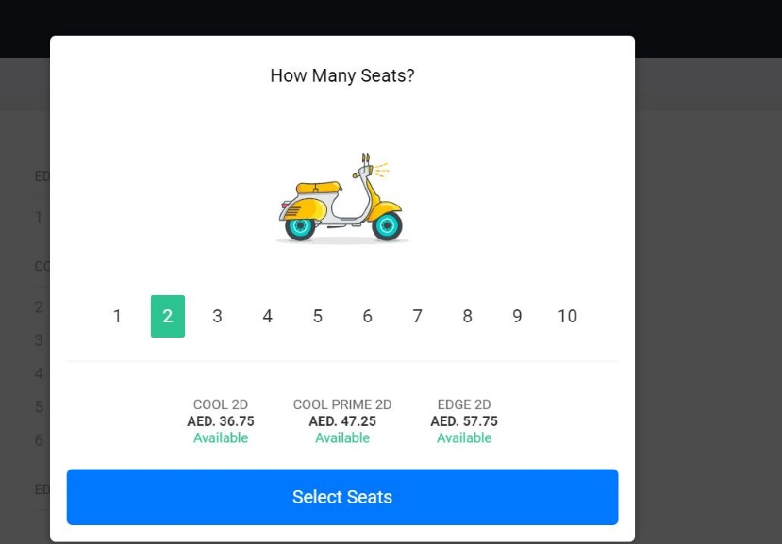
BMS_BP_19 | Check whether we can select different seats in a different row | 1.open bookmyshow 2.select movie 3.click book ticket 4.click dates 5.set seat count 6.try to select different seats |  | should select different seats from different row | different seats from different row is selectable | PASS
BMS_BP_20 | Check whether before selection of full seat count,payment button not displayed | 1.open bookmyshow 2.select movie 3.click book ticket 4.click dates 5.set seat count 6.select seats below seat count |  | should not display payment button before the selection of full seat count | not display payment button before the full seat count select | PASS
BMS_BP_21 | Check whether after selection of full seats, payment button displayed or not | 1.open bookmyshow 2.select movie 3.click book ticket 4.click dates 5.set seat count 6.select seats full seat count |  | should display payment button after the selection of full seat count | displayed payment button after the selection of full seat count | PASS
BMS_BP_22 | Check whether payment button aligned and visible | 1.open bookmyshow 2.select movie 3.click book ticket 4.click dates 5.set seat count 6.select seats full seat count 7.look payment button |  | should payment button aligned and visible | payment button aligned and visible | PASS
BMS_BP_23 | Check whether payment button clickable | 1.open bookmyshow 2.select movie 3.click book ticket 4.click dates 5.set seat count 6.select seats full seat count 7.click payment button |  | should payment button clickable | payment button clickable | PASS
BMS_BP_24 | Check whether screen area marked | 1.open bookmyshow 2.select movie 3.click book ticket 4.click dates 5.set seat count 6.look screen marked |  | should mark screen | screen marked | PASS
BMS_BP_25 | Check whether select more than seats of seat count is not possible | 1.open bookmyshow 2.select movie 3.click book ticket 4.click dates 5.set seat count 6.select seats |  | should not able to select more than seats of seat count | select more than seats of seat count is not possible | PASS
BMS_BP_26 | Check whether seats are categorised by price | 1.open bookmyshow 2.select movie 3.click book ticket 4.click dates 5.set seat count 6.look seat price marked |  | should categorise seats by price | categorised seats by price | PASS
BMS_BP_27 | Check whether dropbox of filter price range work | 1.open bookmyshow 2.select movie 3.click book ticket 4.click price range dropbox |  | should work dropbox of filter price range | dropbox of filter price range is work | PASS
BMS_BP_28 | Check whether dropbox of filter price range work selectable | 1.open bookmyshow 2.select movie 3.click book ticket 4.select price range dropbox |  | should work dropbox of filter price range is selectable | dropbox of filter price range is selectable | PASS
BMS_BP_29 | Check whether dropbox of filter show timing work | 1.open bookmyshow 2.select movie 3.click book ticket 4.click filter show timming dropbox |  | should work dropbox of filter show timing work | dropbox of filter show timing work | PASS
BMS_BP_30 | Check whether dropbox of filter show timing selectable | 1.open bookmyshow 2.select movie 3.click book ticket 4.select filter show timming dropbox |  | should dropbox of filter show timing selectable | dropbox of filter show timing selectable | PASS

profile
Profile Page
Test id | Test description | Test procedure | Test data | Expected result | Actual result | Status | Screenshot
BMS_PP_01 | Check whether profile page openable after sign in | 1.open bookmyshow 2.sign in 3.open profile |  | should open profile by succesfull sign in | Open profile by succesfull signin | PASS
BMS_PP_02 | Check whether profile picture is uploadable | 1.open bookmyshow 2.sign in 3.open profile 4.click profile picture 5. click upload picture |  | should able to set profile picture by upload from file | can't able to upload a profile picture | FAIL | 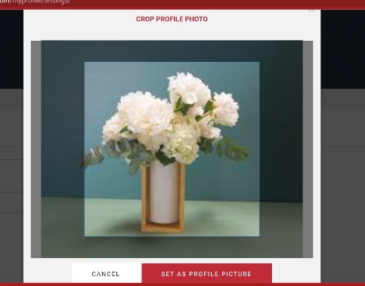
BMS_PP_03 | Check whether profile picture is taken to set profile picture | 1.open bookmyshow 2.sign in 3.open profile 4.click profile picture 5. click intake a picture |  | should able to set profile picture by intake a picture by camera | can't able to upload a profile picture by intake | FAIL | 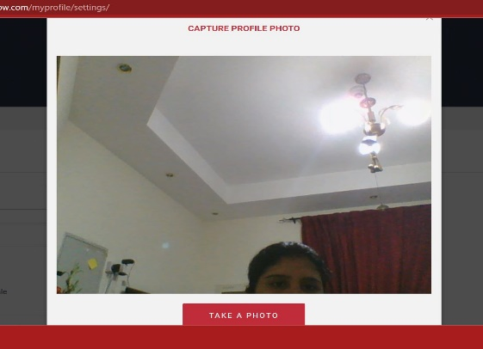
BMS_PP_04 | Check whether to see booking history | 1.open bookmyshow 2.sign in 3.open profile 4.click booking history |  | should able to see booking history | able to see booking history | PASS
BMS_PP_05 | Check whether add/remove profile name | 1.open bookmyshow 2.sign in 3.open profile 4.click settings 5.edit profile name |  | should able add/remove profile name | able add/remove profile name | PASS
BMS_PP_06 | Check whether accept number,special characters in profile name | 1.open bookmyshow 2.sign in 3.open profile 4.click settings 5.enter number/special character | Aparna@ Aparna# | should not accept number,special characters in profile name | not accept number,special characters in profile name | PASS
BMS_PP_07 | Check whether show error message while enter invalid mobile number | 1.open bookmyshow 2.sign in 3.open profile 4.click settings 5.enter invalid mobile number |  | should show error message while enter invalid mobile number | shown error message while enter invalid mobile number | PASS
BMS_PP_08 | Check whether show error message while enter character in mobile number field | 1.open bookmyshow 2.sign in 3.open profile 4.click settings 5.enter character in mobile number field |  | should show error message while enter character in mobile number field | shown error message while enter character in mobile number field | PASS
BMS_PP_09 | Check whether gender checkbox changeable/ selectable | 1.open bookmyshow 2.sign in 3.open profile 4.click settings 5.click checkbox of gender |  | gender checkbox should changeable/ selectable | gender checkbox changeable/ selectable | PASS
BMS_PP_10 | Check whether dropbox of date of birth is work | 1.open bookmyshow 2.sign in 3.open profile 4.click settings 5.click dropbox of DOB |  | should work dropbox of date of birth | dropbox of date of birth is work | PASS
BMS_PP_11 | Check whether dropbox of date of birth is selectable | 1.open bookmyshow 2.sign in 3.open profile 4.click settings 5.click dropbox of DOB 6.Select DOB |  | dropbox of date of birth should selectable | dropbox of date of birth selectable | PASS
BMS_PP_12 | Check whether checkbox of married is changeable /selectable | 1.open bookmyshow 2.sign in 3.open profile 4.click settings 5.click checkbox of married |  | checkbox of married should changeable /selectable | checkbox of married changeable /selectable | PASS
BMS_PP_13 | Check whether dropbox of married is work | 1.open bookmyshow 2.sign in 3.open profile 4.click settings 5.click checkbox of married 6.click marrage date dropbox |  | dropbox of married should work | dropbox of married work | PASS
BMS_PP_14 | Check whether dropbox of married is selectable | 1.open bookmyshow 2.sign in 3.open profile 4.click settings 5.click checkbox of married 6.select marrage date dropbox |  | dropbox of married should selectable | dropbox of married selectable | PASS
BMS_PP_15 | Check whether checkbox of mobile alert is changeable/selectable | 1.open bookmyshow 2.sign in 3.open profile 4.click settings 5.click checkbox of mobile alert |  | should checkbox of mobile alert is changeable/selectable | checkbox of mobile alert is changeable/selectable | PASS
BMS_PP_16 | Check whether update button present | 1.open bookmyshow 2.sign in 3.open profile 4.click settings 5.look update button |  | should update button present | update button present | PASS
BMS_PP_17 | Check whether update button clickable | 1.open bookmyshow 2.sign in 3.open profile 4.click settings 5.click update button |  | should update button clickable | update button clickable | PASS
BMS_PP_18 | Check whether get otp for update data | 1.open bookmyshow 2.sign in 3.open profile 4.click settings 5.fill details &click update button 6.get otp in mobile |  | should get otp for update data | get otp for update data | PASS
BMS_PP_19 | Check whether updated data while enter valid otp | 1.open bookmyshow 2.sign in 3.open profile 4.click settings 5.fill details &click update button 6.get otp in mobile 7.verify update data |  | should updated data while enter valid otp | updated data while enter valid otp | PASS
BMS_PP_20 | Check whether password change option present | 1.open bookmyshow 2.sign in 3.open profile 4.click settings 5.look password change option |  | should password change option present | password change option present | PASS
BMS_PP_21 | Check whether accept number,special characters ,characters in password field | 1.open bookmyshow 2.sign in 3.open profile 4.click settings 5.click password change option 6.enter character,special character,numbers in password feild |  | should accept number,special characters ,characters in password field | accept number,special characters ,characters in password field | PASS
BMS_PP_22 | Check whether show error message while entering incorrect new password and current password | 1.open bookmyshow 2.sign in 3.open profile 4.click settings 5.click password change option 6.enter different password in new password and current password |  | should show error message while entering incorrect new password and current password | show error message while entering incorrect new password and current password | PASS
BMS_PP_23 | Check whether verify button present | 1.open bookmyshow 2.sign in 3.open profile 4.click settings 5.click password change option 6.enter password 7. look verify button |  | should verify verify button is present | verify button present | PASS
BMS_PP_24 | Check whether verify button clickable | 1.open bookmyshow 2.sign in 3.open profile 4.click settings 5.click password change option 6.enter password 7. click verify button |  | should verify verify button clickable | verify button clickable | PASS
BMS_PP_25 | Check whether diactivate account button clickable | 1.open bookmyshow 2.sign in 3.open profile 4. click deactivation button |  | should diactivate account button clickable | diactivate account button clickable | PASS
BMS_PP_26 | Check whether show verification message for diactivateing account | 1.open bookmyshow 2.sign in 3.open profile 4. click deactivation button 5.look verification message display |  | should show verification message for diactivateing account | show verification message for diactivateing account | PASS
BMS_PP_27 | Check whether able to deactivate account | 1.open bookmyshow 2.sign in 3.open profile 4. click deactivation button 5.look verification message display 6. enter ok |  | should able to deactivate account | able to deactivate account | PASS
BMS_PP_28

RESULT
 | Defect Distribution
Homepage | 4
Booking page | 2
Payment page | 0
sign in page | 0
Profile page | 2
BookMyShow
Module name | Defect Distribution
Homepage | 4
Booking page | 2
Payment page | 0
sign in page | 0
Profile page | 2

